Лист1
 |  | SDB SERIES FILTER REPLACEMENT PARTS

Parts of SDB SERIES Models: SDB700-1.0/ SDB700-1.2/ SDB800-1.0/ SDB800-1.2
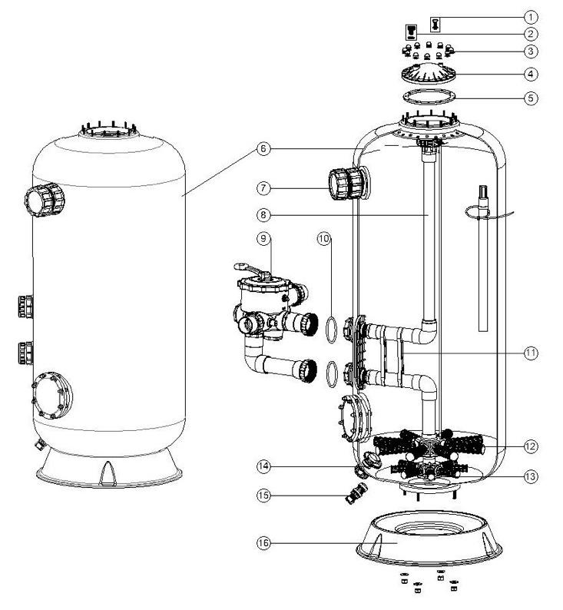

Key No. | Part No. | Description | Piece(s) Required
1 | 89281201 | Connector for Pressure Gauge | 1
2 | 89010701 | Air Release Valve with Oring | 1
3 | 89010601 | Nut with Washer | 12
4 | 01172005 | Lid (Grey Colour) | 1
5 | 02011126 | Filter Neck Gasket | 1
6 | 89013801 | Filter Tank with Base for SDB700-1.0M | 1
6 | 89013815 | Filter Tank with Base for SDB700-1.2M | 1
6 | 89013802 | Filter Tank with Base for SDB800-1.0M | 1
6 | 89013816 | Filter Tank with Base for SDB800-1.2M | 1
6 | 89013803 | Filter Tank with Base for SDB900-1.0M | 1
6 | 89013817 | Filter Tank with Base for SDB900-1.2M | 1
6 | 89013804 | Filter Tank with Base for SDB1000-1.0M | 1
6 | 89013818 | Filter Tank with Base for SDB1000-1.2M | 1
6 | 89013838 | Filter Tank with Base for SDB900(C)-1.0M | 1
6 | 89013839 | Filter Tank with Base for SDB900(C)-1.2M | 1
6 | 89013840 | Filter Tank with Base for SDB1000(C)-1.0M | 1
6 | 89013841 | Filter Tank with Base for SDB1000(C)-1.2M | 1
7 | 89012842 | Sight Glass (for SDB Series Filters) | 1
8 | 89013805 | The Inner Tank System for SDB700-1M | 1
8 | 89013819 | The Inner Tank System for SDB700-1.2M | 1
8 | 89013806 | The Inner Tank System for SDB800-1M | 1
8 | 89013820 | The Inner Tank System for SDB800-1.2M | 1
8 | 89013807 | The Inner Tank System for SDB900-1M | 1
8 | 89013821 | The Inner Tank System for SDB900-1.2M | 1
8 | 89013808 | The Inner Tank System for SDB1000-1M | 1
8 | 89013822 | The Inner Tank System for SDB1000-1.2M | 1
8 | 89013834 | The Inner Tank System for SDB900(C)-1M | 1
8 | 89013835 | The Inner Tank System for SDB900(C)-1.2M | 1
8 | 89013836 | The Inner Tank System for SDB1000(C)-1M | 1
8 | 89013837 | The Inner Tank System for SDB1000(C)-1.2M | 1
9 | 88280813B | 6 Way 2" Valve with Piping Kit, 2" union set x 3 and pressure gauge (Black) | 1
9 | 88280834B | 6 Way 2.5" Valve with Piping Kit, 2.5" union set x 3 and pressure gauge (Black) | 1
10 | 02020016 | O-Ring for Connector | 1
10 | 02010224 | 2.5"O-Ring for Connector | 1
11 | 01111090 | 2.0" Tank System Support | 2
11 | 01110030 | 2.5" Tank System Support | 8
12 | 01172010 | Laterals (185mm) | 8
12 | 01172011 | Laterals (233mm) | 8
12 | 89010613 | Laterals(129mm & 185mm) | 8
13 | 01172007 | Laterals(115mm) | 1
14 | 89012807 | Sand Drain Set | 1
15 | 89010107 | Water Drain Set | 1
16 | 01161066 | Filter Base for SDB700 Filter | 1
16 | 01161067 | Filter Base for SDB800 Filter | 1
16 | 01161068 | Filter Base for SDB900 Filter | 1
16 | 01161069 | Filter Base for SDB1000 Filter | 1

