Лист1
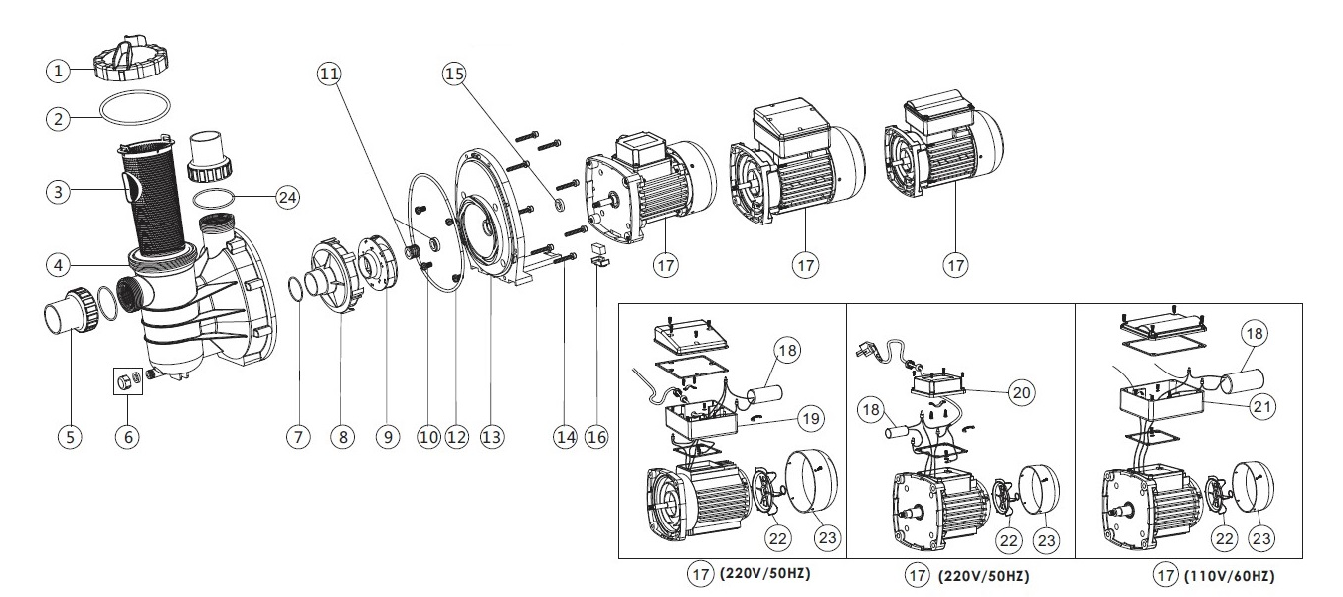

Key No. | Part No. | Description | Piece(s) Required
1 | 01201031 | Transparent Lid | 1
2 | 02010247 | O-Ring for Lid | 1
3 | 01112051 | Basket for SS Pump | 1
4 | 01021064 | SS Pump Pre-Filter | 1
5* | 89280105 | 1.5" Union (Black/ White Colour) | 2
6 | 89022402 | Drain Plug With O'Ring | 1
7 | 02011004 | O-Ring for Diffuser | 1
8 | 01111014 | Diffuser | 1
9 | 01311014 | Impeller SS120(220V/50HZ) | 1
9 | 01311015 | Impeller SD020/SD50/SQ20/SQ50/SS20/SS50/ST20/ST50 | 1
9 | 01311016 | Impeller SD33/SD75/SQ33/SQ75/SS33/SS75/ST33/ST75 | 1
9 | 01311017 | Impeller SD050/SD100/SQ050/SQ100/SS050/SS100/ST050 | 1
9 | 01311018 | Impeller SD075/SD120/SQ075/SQ120/SS075/SS120/ST075 | 1
9 | 01311019 | Impeller SD100/SQ100/SS100/ST100(220V/50HZ) | 1
9 | 01311023 | Impeller SD020/SQ020/SS020/ST020(220V,110V/60HZ) | 1
9 | 01311024 | Impeller SD033/SQ033/SS033/ST033(220V,110V/60HZ) | 1
10 | 89022403 | M8 x 16 Screw with Washer | 4
11 | 04015033 | 1/2" Mechanical Seal | 1
12 | 02011090 | O-Ring for Flange | 1
13 | 01021065 | SS Pump Flange | 1
14 | 03011035 | M6 x 30 Screw | 8
15 | 02011156 | Motor Slinger | 1
16 | 89022404 | Motor Support | 1
17 | 89022109 | Motor SD020/SQ020/SS020/ST020(220V/50HZ) | 1
17 | 89022110 | Motor SD033 (220V/50Hz) | 1
17 | 89022105 | Motor SD050/SQ050/SS050/ST050(220V/50HZ) | 1
17 | 89022106 | Motor SD075/SQ075/SS075/ST075(220V/50HZ) | 1
17 | 89022107 | Motor SD100/SQ100/SS100/ST100(220V/50HZ) | 1
17 | 89022108 | Motor SD120/SQ120/SS120/ST120(220V/50HZ) | 1
17 | 89022201 | Motor SD/SQ/SS/ST020(220V/60HZ) | 1
17 | 89022202 | Motor SD/SQ/SS/ST033(220V/60HZ) | 1
17 | 89022203 | Motor SD/SQ/SS/ST050(220V/60HZ) | 1
17 | 89022204 | Motor SD/SQ/SS/ST075(220V/60HZ) | 1
17 | 89022205 | Motor SD/SQ/SS/ST100(220V/60HZ) | 1
17 | 89022206 | Motor SD/SQ/SS/ST120(220V/60HZ) | 1
17 | 89022305 | Motor SD/SQ/SS/ST020(110V/60HZ) | 1
17 | 89022306 | Motor SD/SQ/SS/ST033(110V/60HZ) | 1
17 | 89022301 | Motor SD/SQ/SS/ST050(110V/60HZ) | 1
17 | 89022302 | Motor SD/SQ/SS/ST075(110V/60HZ) | 1
17 | 89022303 | Motor SD/SQ/SS/ST100(110V/60HZ) | 1
17 | 89022304 | Motor SD/SQ/SS/ST120(110V/60HZ) | 1
18 | 04016028 | Capacitor for SS/SD/SQ/ST050 Pump 110V | 1
18 | 04016019 | Capacitor for SC050 & SS/SD/SQ/ST075 Pump 110V | 1
18 | 04016021 | Capacitor for SC075 & SS/SD/SQ/ST100-124 Pump 110V | 1
18 | 04016009 | Capacitor for SS/SD/SQ/SP/ST050 Pump | 1
18 | 04016010 | Capacitor for SS/SD/SQ/SP/ST075 & SC050 Pump | 1
18 | 04016012 | Capacitor for SS/SD/SQ/SP/ST100-120 | 1
18 | 04016032 | Capacitor for SS/SD/SQ/ST020 Pump 110V | 1
18 | 04016033 | Capacitor for SS/SD/SQ/ST033 Pump 110V | 1
18 | 04016030 | Capacitor for SS/SD/SQ/ST020 AMU020P/TP(50/60Hz) | 1
18 | 04016031 | Capacitor for SS/SD/SQ/ST033 Pump | 1
19 | 89022112 | Cable Box for SD,SQ,SP,ST050-120 Pump | 1
20 | 89022111 | Cable Box for SQ/ST/SD020-033, SS020-SS030 Pump | 1
21 | 89021505 | Cable Box for SA/ ST/ SD 110V | 1
22 | 01031027 | Cooling Fan for SS/SD/SQ/ST050-SS/SD/SQ/ST120 Pump | 1
22 | 01031026 | Cooling Fan for SS/SD/SQ/ST020-SS/SD/SQ/ST030 Pump | 1
23 | 01031011 | Fan Cover for SS/SD/SQ/ST020-SS/SD/SQ/ST030 Pump | 1
23 | 01031010 | Fan Cover for SQ/SP/SS/SD/ST050-SQ/SP/SS/SD/ST120 | 1
24 | 02011104 | O-Ring for 1.5" Union | 2
Notes: | 5* 89280105B is 1.5" Union in Black Colour
 | 5* 89280105W is 1.5" Union in White Colour

