Лист1
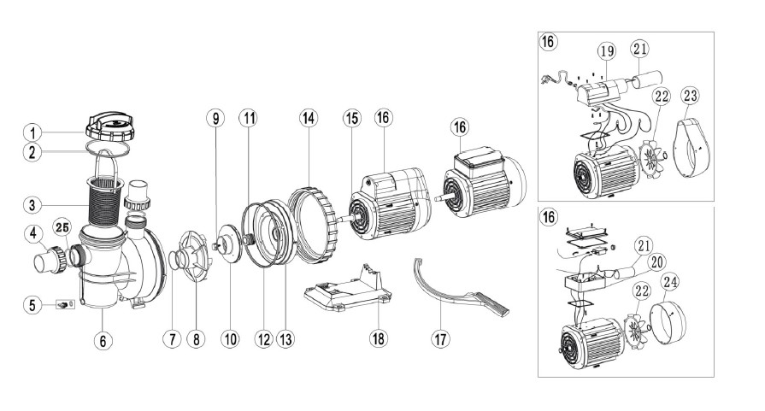

Key No. | Part No. | Description | Piece(s) Required
1 | 01041043 | Transparent Lid | 1
2 | 02021088 | O-Ring for Lid | 1
3 | 01111076 | Basket (Big) | 1
4* | 89280105 | 1.5" Union (Black/ White Colour) | 2
5 | 89021307 | Drain Plug With O-Ring | 1
6 | 01111006 | SC Pump Body | 1
7 | 02011105 | O-ring for Diffuser | 1
8 | 01111009 | Diffuser | 1
9 | 89021704 | Impeller Screw with O-ring | 1
10 | 01311007 | Impeller SC050(110V/60HZ) & (220V/60HZ) | 1
10 | 01311008 | Impeller SC075(110V/60HZ) & (220V/60HZ) | 1
10 | 01311009 | Impeller SC050(220V/50HZ) & (380V/50HZ)/ SC100(110V/60HZ) & (220V/60HZ) | 1
10 | 01311010 | Impeller SC075(220V/50HZ) & (380V/50HZ)/ SC150(110V/60HZ) & (220V/60HZ) | 1
10 | 01311011 | Impeller SC100(220V/50HZ) & (380V/50HZ)/ SC200(110V/60HZ) & (220V/60HZ) | 1
10 | 01311012 | Impeller SC150(220V/50HZ) & (380V/50HZ) | 1
10 | 01311013 | Impeller SC200(220V/50HZ) & (380V/50HZ) | 1
11 | 04015046 | 3/4" Mechanical Seal | 1
12 | 02011089 | O-Ring for Flange | 1
13 | 01111008 | SC Pump Flange | 1
14 | 01021014 | Ring Lock Nut | 1
15 | 02011096 | Motor Slinger | 1
16 | 89021705 | Motor SC050(220V/50HZ) | 1
16 | 89021706 | Motor SC075(220V/50HZ) | 1
16 | 89021707 | Motor SC100(220V/50HZ) | 1
16 | 89021708 | Motor SC150(220V/50HZ) | 1
16 | 89021709 | Motor SC200(220V/50HZ) | 1
16 | 89021801 | Motor SC050(220V/60HZ) | 1
16 | 89021802 | Motor SC075(220V/60HZ) | 1
16 | 89021803 | Motor SC100(220V/60HZ) | 1
16 | 89021804 | Motor SC150(220V/60HZ) | 1
16 | 89021805 | Motor SC200(220V/60HZ) | 1
16 | 89022001 | Motor SC050(380V/50HZ) | 1
16 | 89022002 | Motor SC075(380V/50HZ) | 1
16 | 89022003 | Motor SC100(380V/50HZ) | 1
16 | 89022004 | Motor SC150(380V/50HZ) | 1
16 | 89022005 | Motor SC200(380V/50HZ) | 1
16 | 89021901 | Motor SC050(110V/60HZ) | 1
16 | 89021902 | Motor SC075(110V/60HZ) | 1
16 | 89021903 | Motor SC100(110V/60HZ) | 1
16 | 89021904 | Motor SC150(110V/60HZ) | 1
16 | 89021905 | Motor SC200(110V/60HZ) | 1
17 | 01021022 | Opening Key | 1
18 | 01111007 | Base | 1
19 | 89021311 | Cable Box for SC Pump | 1
20 | 89021505 | Cable Box | 1
21 | 04016019 | Capacitor for SC050 & SS/SD/SQ/ST075 Pump (110V) | 1
21 | 04016021 | Capacitor for SC075 & SS/SD/SQ/ST100-124 Pump (110V) | 1
21 | 04016022 | Capacitor for SR/SB10-15 & SC100-150 Pump (110V) | 1
21 | 04016023 | Capacitor for SR/SB20-30 & SC200 Pump (110V) | 1
21 | 04016010 | Capacitor for SS/SD/SQ/SP/ST075 & SC050 Pump | 1
21 | 04016012 | Capacitor for SS/SD/SQ/SP/ST100-120/ SC075 | 1
21 | 04016014 | Capacitor for SB/SR10,SB15/ SC100/ SC150 | 1
21 | 04016015 | Capacitor for SB/SR20 & SC/EPH200 & SPH200 Pump | 1
22 | 01031007 | Cooling Fan for SC SB/SR10,SB/SR15 | 1
23 | 01031009 | Fan Cover for SB/SR10,SB/SR15 Pump | 1
24 | 01031002 | Fan Cover for SB/SR10,SB/SR15 Pump | 1
25 | 02011104 | O-Ring for 1.5" Union | 2
Note: | 4* 89280105B is 1.5" Union is in Black Colour
 | 4* 89280105W is 1.5" Union is in White Colour

