Лист1
 |  | FSF350-6W FILTRATION COMBO REPLACEMENT PARTS

Parts of FSF Models: FSF350-6W
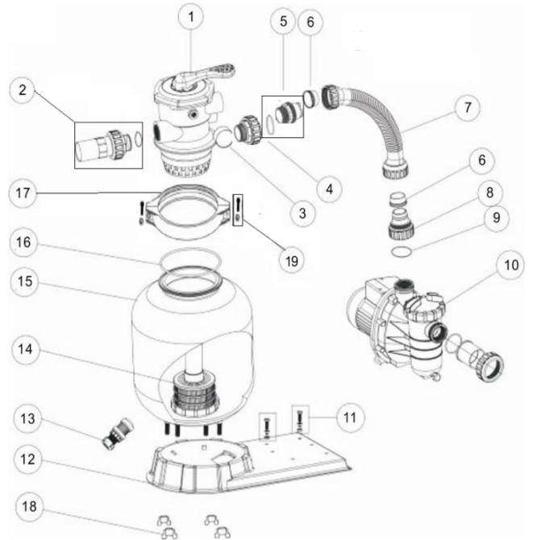

Key No. | Part No. | Description | Piece(s) Required | Order Qty
1* | 88280105 | 1.5" Top Mount Valve (Black/ White colour) | 1
2* | 89280101 | 1.5" Unionwith Sight Glass and O-Ring (Black/ White colour) | 1
3 | 06011029 | Maximum 40PSI Indication, Stainless Steel Casing | 1
3 | 01111048 | Connector for Pressure Gauge/Stopper | 1
4* | 89280102 | 1.5" Union Set with O-Ring (Black/ White colour) | 1
5 | 89030204 | Hose Adaptor with O-Ring | 1
6 | 02011026 | Sleeve for Hose | 2
7 | 89032002 | FSF350-6W Plastic Hose with Nut | 1
8 | 01013049 | Hose Adaptor with Nut | 1
9 | 02011104 | O-Ring for 1.5" Union | 1
10 | 88022402 | FSF350-6W Pump (SS033) | 1
11 | 89032001 | Pump Assembly Screw | 2
12 | 01111056 | FSP/F350-4-6W Combo Base | 1
13 | 89010107 | Water Drain Set | 1
14 | 89010106 | V350 Lateral Assembly with Center Pipe | 1
15 | 89010115 | V350 Filter tank | 1
16 | 02011134 | O-Ring for Filter Neck | 1
17 | 01271010 | Clamp Lock | 2
18 | 01181052 | Fastener for Filter base | 4
19 | 89010119 | M6*50 Screws With Nut | 2
Notes: | 1* 88280105B is 1.5" Top Mount Valve in Black colour
 | 1* 88280105W is 1.5" Top Mount Valve in White colour
 | 2* 89280101B is 1.5" Union with Sight Glass and O-Ring in Black colour
 | 2* 89280101W is 1.5" Union with Sight Glass and O-Ring in White colour
 | 4* 89280102B is 1.5" Union Set with O-Ring in Black colour
 | 4* 89280102W is 1.5" Union Set with O-Ring in White colour

